Application Screen
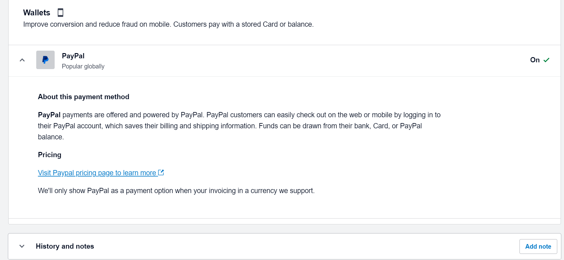

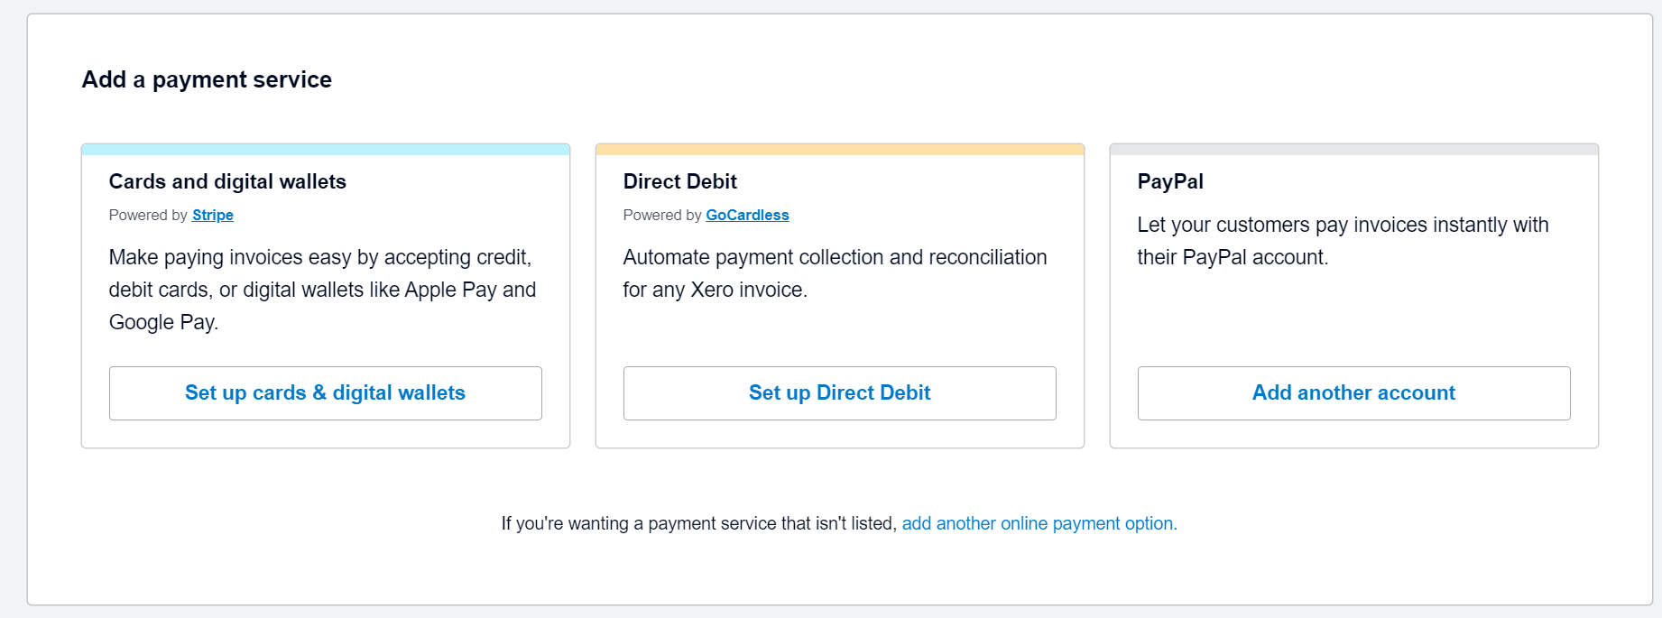

Test Case 6
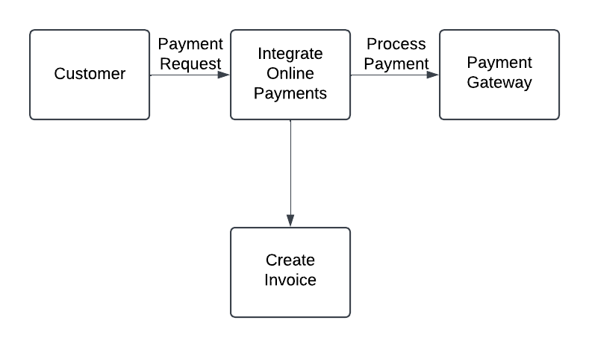
TC Title: | TC6 6.15 Integrate online payments - DF out

TC Objective: | This test case verifies that the system produces correct data output during online payment integration, ensuring that relevant information is transmitted accurately to external systems or processes. [ External Systems Include - Paypal and digital wallets like credit, debit cards, or digital wallets like Apple Pay and Google Pay. ]

TC Description | Step | Step Description | Expected Results
 | 1 | Navigate to Business > Invoices and select an unpaid invoice. | The invoice details page is displayed with the Pay Now option visible.
 | 2 | Click Pay Now and initiate payment using an integrated service (e.g., PayPal). | The system redirects to the external payment service without errors.
 | 3 | Complete the payment using valid details. | Payment is processed and the data is sent to the payment service (e.g., amount, transaction ID, invoice number).
 | 4 | Verify that the payment data (e.g., payment status, amount, transaction ID) is recorded in Xero. | The invoice status updates to Paid, and payment details are stored under the Payment History section.
 | 5 | Check the payment gateway for transaction data (e.g., transaction ID, payment amount). | Data from Xero matches the transaction data recorded in the payment gateway.
 | 6 | Check Xero reports to ensure payment data is reflected in the Accounts Receivable section. | Payment details (amount, transaction ID) appear in the relevant reports and financial records.

